Sheet1
ProMaster Van Heat Loss With and Without Insulation
 | This spreadsheet allows you to estimate the heat loss for a camper van conversion.
 | The heat loss for both an insulated and un-insulated versions are show so you can see the reduction in heat loss for insulation.

 | The non-insulated version is assmed to have no insulation on walls, ceilings and floors, and single glazed back and side windows (3 side windows -- see pic).
 |  | The R value for un-insulated metal panels and for windows is estimated to be R1, which is an R0.7 inside (still) airfilm + an R0.3 outside (moving) air film -- the metal and glass themshelves have negligible R value.

 | The insulated version defaults to 1 inch thick polyurethane insulattion, but you can easily substitute the R values for your proposed insulation.

 | Input:
 |  | Enter the inside and outside temperatures you want used for the heat loss calc.
 |  | Change the R values for the insulated version to reflect the insulation you are using (you can also change areas to reflect your van)
 |  |  | Green squares are values you may want to change to get to your insulation configuration.
 | Output:
 |  | The table gives Heat Loss in BTU per hour for both un-insulated and insulated versions, and it gives it for each component (walls, ceiling, windows, …) so you can see where most of the heat loss is.
 |  | The plot shows the same heat losses graphically for easiter comparison.
 |  | The Totals area gives the total heat loss in BTU per hour and the heating fuel consumption in gallons of propane per hour assuming a 70% efficeint furnace.
 |  |  | Heat loss results are shown in the blue cells.

 | The spreadsheet is set up for a RAM ProMaster 136 wheelbase, high roof, Windows: back doors and sides. You can, of course, plug in different areas for walls, floor, ceiling, and windows to match your vehicle

 | All of the heat losses are and R values are in US units. To change heat losses from BTU/hr to Watts, divide by 3.412, and to convert US R values to SI, divide by 5.6.

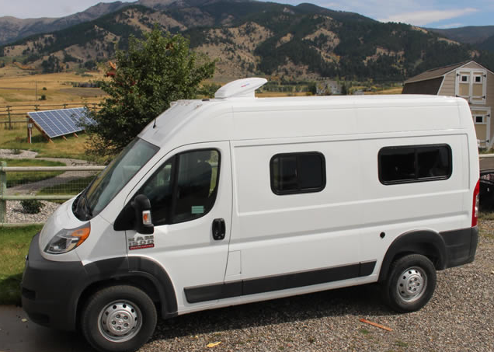
Temperature Inside Van | 70 | deg F
Temperature Outside Van | 32 | deg F

Back Section: |  | Uninsulated Van |  |  | Insulated Van
Item | Area(sf) | Rvalue | UA | Heat Loss(BTU/hr) | Rvalue | UA | Heat Loss(BTU/hr) | % Reduction
Floor | 61.7 | 1.00 | 61.70 | 2345 | 7.50 | 8.23 | 313 | 87%
Ceiling | 55.5 | 1.00 | 55.50 | 2109 | 8.05 | 6.89 | 262 | 88%
Walls | 83.3 | 1.00 | 83.30 | 3165 | 8.05 | 10.35 | 393 | 88%
Wall Windows | 11.7 | 1.00 | 11.70 | 445 | 3.00 | 3.90 | 148 | 67%
Sliding Door | 25.5 | 1.50 | 17.00 | 646 | 8.05 | 3.17 | 120 | 81%
Back Doors | 25 | 1.50 | 16.67 | 633 | 8.05 | 3.11 | 118 | 81%
Back Windows | 8 | 1.00 | 8.00 | 304 | 3.00 | 2.67 | 101 | 67%
Roof Vent | 1.4 | 1.00 | 1.40 | 53 | 1.00 | 1.40 | 53 | 0%
Cab Section:
Cab Windows | 27.3 | 1.00 | 27.30 | 1037 | 3.00 | 9.10 | 346 | 67%
Cab Roof, floor, doors,… | 30 | 3.00 | 10.00 | 380 | 3.00 | 10.00 | 380 | 0%

Air Changes: | Volume(cf) | ACH |  | Heat Loss(BTU/hr) | ACH |  | Heat Loss(BTU/hr) | Reduction
Infiltration All | 550 | 0.50 |  | 176 | 0.50 |  | 176 | 0%

Total (BTU/hr) |  |  |  | 11293 |  |  | 2410 | 79%

Gal Propane/hr (70%efic) |  |  |  | 0.175 |  |  | 0.037 | 79% | This is the vehicle that the heat losses are calculated for.

Plot shows non-insulated heat losses in blue and insulated heat losses in orange:
Camper Van Heat Loss -- Insulated and UnInsulated
 | Uninsulated Van | Insulated Van
Floor | 2345 | 313
Ceiling | 2109 | 262
Walls | 3165 | 393
Wall Windows | 445 | 148
Sliding Door | 646 | 120
Back Doors | 633 | 118
Back Windows | 304 | 101
Roof Vent | 53 | 53
Cab Section:
Cab Windows | 1037 | 346
Cab Roof, floor, doors,… | 380 | 380
Air Changes: | 0 | 0
Infiltration All | 176 | 176

Notes:
> For 136WB high roof PM
> Windows -- Back: 2 PM windows, Sides: 2 @ 40X16, 1 @ 25X16, Windshield: 65X34, Cab Door Windows: 2 @ 33X26
>Roof Vent: 14 X 14
Insulated:
> Floor: Rvalue stackup = Outside air (R0.3) + Steel (0) + 1 inch Polyiso (6) + 1/4 plywood(0.35) + Vinyl(0.2?) + Inside Air (R0.7) = R7.55
>Walls and ceiling: Rvalue stackup = Outside air (R0.3) + Steel (R0) + 1 inch sray poyurethane (R6) + air (R0.7) + 1/4 plywood (R0.35) + Inside Air (R0.7) = 8.05
> Windows: Rvalue stackup: Outside air (R0.3) + Window (0) + Inside air (R0.7) + Rflective Thermal shade (R2) = R3
> Sliding door is estimated as R1.5 because about half is just bare metal (R1), and about half has the factory inner panel (R2)
> Windows: Windows are assumed to be insulated by an inside thermal shade that brings the total R value up to R3 (see accompanying web page for what I used).

Not Insulated:
All metal surfaces and single glazed windows are done as R1, which is R0.7 inside (still) air layer + R0.3 outside (moving) air layer.

Gary December 15, 2014

